Single
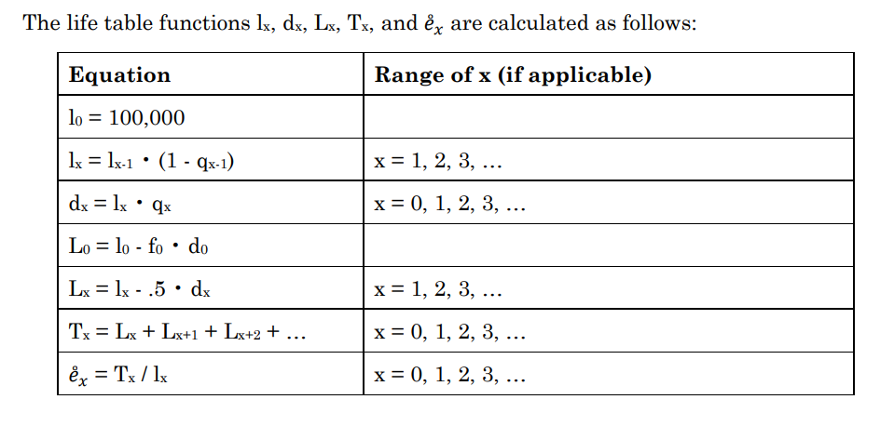
Age |  |  |  |  | Single
x |  | d(x) | L(x) | T(x) | e(x)

0 | 100,000.0 | 617.72 | 99691.14 | 7859910.2699 | 78.6
1 | 99,382.28 | 41.12 | 99361.72 | 7760219.1299 | 78.1
2 | 99,341.16 | 27.36 | 99327.48 | 7660857.4099 | 77.1
3 | 99,313.80 | 21.08 | 99303.26 | 7561529.9299 | 76.1
4 | 99,292.72 | 16.27 | 99284.585 | 7462226.6699 | 75.2
5 | 99,276.45 | 14.90 | 99269 | 7362942.0849 | 74.2
6 | 99,261.55 | 13.22 | 99254.94 | 7263673.0849 | 73.2
7 | 99,248.33 | 11.83 | 99242.415 | 7164418.1449 | 72.2
8 | 99,236.50 | 10.41 | 99231.295 | 7065175.7299 | 71.2
9 | 99,226.09 | 9.06 | 99221.56 | 6965944.4349 | 70.2
10 | 99,217.03 | 8.23 | 99212.915 | 6866722.8749 | 69.2
11 | 99,208.80 | 8.82 | 99204.39 | 6767509.9599 | 68.2
12 | 99,199.98 | 11.77 | 99194.095 | 6668305.5699 | 67.2
13 | 99,188.21 | 17.57 | 99179.425 | 6569111.4749 | 66.2
14 | 99,170.64 | 25.30 | 99157.99 | 6469932.0499 | 65.2
15 | 99,145.34 | 33.43 | 99128.625 | 6370774.0599 | 64.3
16 | 99,111.91 | 41.22 | 99091.3 | 6271645.4349 | 63.3
17 | 99,070.69 | 49.19 | 99046.095 | 6172554.1349 | 62.3
18 | 99,021.50 | 57.34 | 98992.83 | 6073508.0399 | 61.3
19 | 98,964.16 | 65.55 | 98931.385 | 5974515.2099 | 60.4
20 | 98,898.61 | 74.41 | 98861.405 | 5875583.8249 | 59.4
21 | 98,824.20 | 82.88 | 98782.76 | 5776722.4199 | 58.5
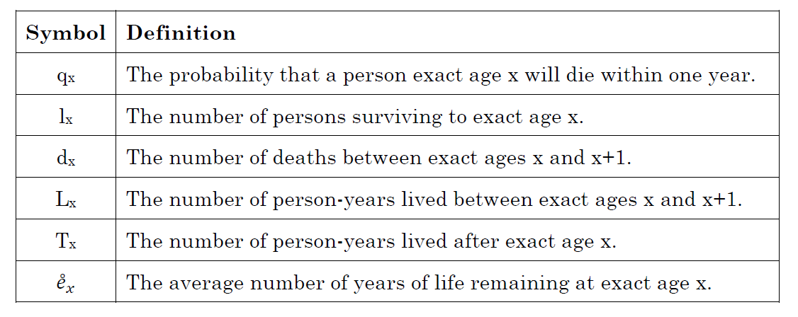
22 | 98,741.32 | 89.16 | 98696.74 | 5677939.6599 | 57.5
23 | 98,652.16 | 92.29 | 98606.015 | 5579242.9199 | 56.6
24 | 98,559.87 | 93.07 | 98513.335 | 5480636.9049 | 55.6
25 | 98,466.80 | 93.09 | 98420.255 | 5382123.5699 | 54.7
26 | 98,373.71 | 93.62 | 98326.9 | 5283703.3149 | 53.7
27 | 98,280.09 | 94.58 | 98232.8 | 5185376.4149 | 52.8
28 | 98,185.51 | 96.46 | 98137.28 | 5087143.6149 | 51.8
29 | 98,089.05 | 99.15 | 98039.475 | 4989006.3349 | 50.9
30 | 97,989.90 | 102.43 | 97938.685 | 4890966.8599 | 49.9
31 | 97,887.47 | 105.89 | 97834.525 | 4793028.1749 | 49.0
32 | 97,781.58 | 109.45 | 97726.855 | 4695193.6499 | 48.0
33 | 97,672.13 | 112.93 | 97615.665 | 4597466.7949 | 47.1
34 | 97,559.20 | 116.67 | 97500.865 | 4499851.1299 | 46.1
35 | 97,442.53 | 121.39 | 97381.835 | 4402350.2649 | 45.2
36 | 97,321.14 | 127.48 | 97257.4 | 4304968.4299 | 44.2
37 | 97,193.66 | 134.82 | 97126.25 | 4207711.0299 | 43.3
38 | 97,058.84 | 143.59 | 96987.045 | 4110584.7799 | 42.4
39 | 96,915.25 | 154.05 | 96838.225 | 4013597.7349 | 41.4
40 | 96,761.20 | 165.69 | 96678.355 | 3916759.5099 | 40.5
41 | 96,595.51 | 179.21 | 96505.905 | 3820081.1549 | 39.5
42 | 96,416.30 | 195.69 | 96318.455 | 3723575.2499 | 38.6
43 | 96,220.61 | 215.20 | 96113.01 | 3627256.7949 | 37.7
44 | 96,005.41 | 236.81 | 95887.005 | 3531143.7849 | 36.8
45 | 95,768.60 | 258.62 | 95639.29 | 3435256.7799 | 35.9
46 | 95,509.98 | 280.92 | 95369.52 | 3339617.4899 | 35.0
47 | 95,229.06 | 305.61 | 95076.255 | 3244247.9699 | 34.1
48 | 94,923.45 | 333.57 | 94756.665 | 3149171.7149 | 33.2
49 | 94,589.88 | 364.38 | 94407.69 | 3054415.0499 | 32.3
50 | 94,225.50 | 397.17 | 94026.915 | 2960007.3599 | 31.4
51 | 93,828.33 | 430.32 | 93613.17 | 2865980.4449 | 30.5
52 | 93,398.01 | 463.49 | 93166.265 | 2772367.2749 | 29.7
53 | 92,934.52 | 496.44 | 92686.3 | 2679201.0099 | 28.8
54 | 92,438.08 | 530.13 | 92173.015 | 2586514.7099 | 28.0
55 | 91,907.95 | 565.93 | 91624.985 | 2494341.6949 | 27.1
56 | 91,342.02 | 604.78 | 91039.63 | 2402716.7099 | 26.3
57 | 90,737.24 | 646.27 | 90414.105 | 2311677.0799 | 25.5
58 | 90,090.97 | 689.91 | 89746.015 | 2221262.9749 | 24.7
59 | 89,401.06 | 735.11 | 89033.505 | 2131516.9599 | 23.8
60 | 88,665.95 | 782.29 | 88274.805 | 2042483.4549 | 23.0
61 | 87,883.66 | 831.78 | 87467.77 | 1954208.6499 | 22.2
62 | 87,051.88 | 884.02 | 86609.87 | 1866740.8799 | 21.4
63 | 86,167.86 | 941.09 | 85697.315 | 1780131.0099 | 20.7
64 | 85,226.77 | 1,005.18 | 84724.18 | 1694433.6949 | 19.9
65 | 84,221.59 | 1,079.25 | 83681.965 | 1609709.5149 | 19.1
66 | 83,142.34 | 1,164.06 | 82560.31 | 1526027.5499 | 18.4
67 | 81,978.28 | 1,249.45 | 81353.555 | 1443467.2399 | 17.6
68 | 80,728.83 | 1,340.88 | 80058.39 | 1362113.6849 | 16.9
69 | 79,387.95 | 1,430.42 | 78672.74 | 1282055.2949 | 16.1
70 | 77,957.53 | 1,527.69 | 77193.685 | 1203382.5549 | 15.4
71 | 76,429.84 | 1,632.21 | 75613.735 | 1126188.8699 | 14.7
72 | 74,797.63 | 1,748.30 | 73923.48 | 1050575.1349 | 14.0
73 | 73,049.33 | 1,871.78 | 72113.44 | 976651.65494 | 13.4
74 | 71,177.55 | 2,002.72 | 70176.19 | 904538.21494 | 12.7
75 | 69,174.83 | 2,130.24 | 68109.71 | 834362.02494 | 12.1
76 | 67,044.59 | 2,270.66 | 65909.26 | 766252.31494 | 11.4
77 | 64,773.93 | 2,407.88 | 63569.99 | 700343.05494 | 10.8
78 | 62,366.05 | 2,570.55 | 61080.775 | 636773.06494 | 10.2
79 | 59,795.50 | 2,714.66 | 58438.17 | 575692.28994 | 9.6
80 | 57,080.84 | 2,867.13 | 55647.275 | 517254.11994 | 9.1
81 | 54,213.71 | 3,008.44 | 52709.49 | 461606.84494 | 8.5
82 | 51,205.27 | 3,145.39 | 49632.575 | 408897.35494 | 8.0
83 | 48,059.88 | 3,251.37 | 46434.195 | 359264.77994 | 7.5
84 | 44,808.51 | 3,408.72 | 43104.15 | 312830.58494 | 7.0
85 | 41,399.79 | 3,504.54 | 39647.52 | 269726.43494 | 6.5
86 | 37,895.25 | 3,581.27 | 36104.615 | 230078.91494 | 6.1
87 | 34,313.98 | 3,613.16 | 32507.4 | 193974.29994 | 5.7
88 | 30,700.82 | 3,594.14 | 28903.75 | 161466.89994 | 5.3
89 | 27,106.68 | 3,519.93 | 25346.715 | 132563.14994 | 4.9
90 | 23,586.75 | 3,388.73 | 21892.385 | 107216.43494 | 4.5
91 | 20,198.02 | 3,201.85 | 18597.095 | 85324.04994 | 4.2
92 | 16,996.17 | 2,964.09 | 15514.125 | 66726.95494 | 3.9
93 | 14,032.08 | 2,683.85 | 12690.155 | 51212.82994 | 3.6
94 | 11,348.23 | 2,372.57 | 10161.9455 | 38522.67494 | 3.4
95 | 8,975.661 | 2,044.10 | 7953.61 | 28360.72944 | 3.2
96 | 6,931.559 | 1,713.30 | 6074.91 | 20407.11944 | 2.9
97 | 5,218.261 | 1,394.62 | 4520.9515 | 14332.20944 | 2.7
98 | 3,823.642 | 1,100.65 | 3273.318 | 9811.25794 | 2.6
99 | 2,722.994 | 840.89 | 2302.551 | 6537.93994 | 2.4
100 | 1,882.108 | 621.02 | 1571.5955 | 4235.38894 | 2.3
101 | 1,261.083 | 442.82 | 1039.67355 | 2663.79344 | 2.1
102 | 818.2641 | 304.54 | 665.99385 | 1624.11989 | 2.0
103 | 513.7236 | 201.85 | 412.801 | 958.12604 | 1.9
104 | 311.8784 | 128.86 | 247.4492 | 545.32504 | 1.7
105 | 183.0200 | 79.22 | 143.4123 | 297.87584 | 1.6
106 | 103.8046 | 46.89 | 80.35783 | 154.46354 | 1.5
107 | 56.91106 | 26.74 | 43.5416 | 74.10571 | 1.3
108 | 30.17214 | 14.69 | 22.82509 | 30.56411 | 1.0
109 | 15.47804 | 15.48 | 7.73902 | 7.73902 | 0.5
110 | 0.000000 | 0.00 | 0 | 0 | 0.0

